Pivot Table
Total Coffee Shop In Batanagas City |  | Most Reviewed Coffee Shop |  | Most Coffee Shop Closing hours |  | Price Range Distribution
Count of Coffee Shop Name |  | Row Labels | Sum of Reviews | Row Labels | Count of Coffee Shop Name | Count of Coffee Shop Name
119 |  | Starbucks Sm City Batangas | 430 | 1 PM | 3 | 119
 |  | Starbucks Diversion Road | 398 | 10 PM | 35
Total Coffe Shop | 119 | Share Cafe Restaurant Family Ktv Event Center Batangas City | 133 | 10:30 | 1
 |  | Flatwhite Cafe Sampaga | 106 | 11 PM | 14
Most Reviewed Coffee Shop
 |  | Pilotos Grounds | 87 | 11:30 | 1
 |  | He Brews Caf Batangas City | 73 | 12 PM | 6
 |  | Flatwhite Coffee Ub Hilltop Flagship | 68 | 2 PM | 2
 |  | Palpitate Coffee Batangas | 65 | 6 PM | 2
 |  | Libro Espresso Batangas | 61 | 7 PM | 2
 |  | Kalye Barako Brew Coffee Trading | 58 | 8 PM | 5
 |  | Grand Total | 1479 | 9 PM | 12
 |  |  |  | Grand Total | 83
 |  |  |  | Top Rated Coffee Shop
 |  | Row Labels | Count of Coffee Shop Name | Row Labels | Sum of Engagement Score
 |  | No | 3 | Kalye Barako Brew Coffee Trading | 62.6
 |  | Yes | 115 | Libro Espresso Batangas | 65.5
 |  | Grand Total | 118 | Palpitate Coffee Batangas | 69.7
 |  |  |  | Flatwhite Coffee Ub Hilltop Flagship | 72.6
 |  | Offers Takeout |  | He Brews Caf Batangas City | 77.2
 |  | Row Labels | Count of Coffee Shop Name | Pilotos Grounds | 91.6
 |  | No | 38 | Flatwhite Cafe Sampaga | 110.4
 |  | Yes | 81 | Share Cafe Restaurant Family Ktv Event Center Batangas City | 137.4
 |  | Grand Total | 119 | Starbucks Diversion Road | 402.5
 |  |  |  | Starbucks Sm City Batangas | 434.3
 |  | Offers Delivery |  | Grand Total | 1523.8
 |  | Row Labels | Count of Coffee Shop Name
 |  | No | 70
 |  | Yes | 49
 |  | Grand Total | 119

Dashboard
COFFE SHOP IN BATANGAS CITY

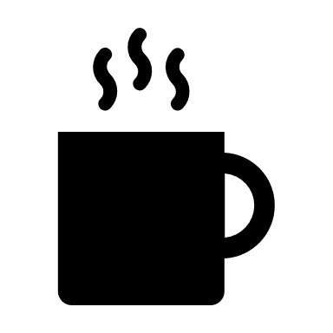
Total Coffe Shop
 | Total
No | 3
Yes | 115
 | Total
No | 38
Yes | 81
 | Total
No | 70
Yes | 49

119
Dine-In Availability
Takeout
Availability
Delivery Availability

Most Reviewed Coffe Shop
 | Total
Starbucks Sm City Batangas | 430
Starbucks Diversion Road | 398
Share Cafe Restaurant Family Ktv Event Center Batangas City | 133
Flatwhite Cafe Sampaga | 106
Pilotos Grounds | 87
He Brews Caf Batangas City | 73
Flatwhite Coffee Ub Hilltop Flagship | 68
Palpitate Coffee Batangas | 65
Libro Espresso Batangas | 61
Kalye Barako Brew Coffee Trading | 58
Top Rated Coffe Shop
 | Total
Kalye Barako Brew Coffee Trading | 62.6
Libro Espresso Batangas | 65.5
Palpitate Coffee Batangas | 69.7
Flatwhite Coffee Ub Hilltop Flagship | 72.6
He Brews Caf Batangas City | 77.2
Pilotos Grounds | 91.6
Flatwhite Cafe Sampaga | 110.4
Share Cafe Restaurant Family Ktv Event Center Batangas City | 137.4
Starbucks Diversion Road | 402.5
Starbucks Sm City Batangas | 434.3
Most Closing Time Hours
 | Total
1 PM | 3
10 PM | 35
10:30 | 1
11 PM | 14
11:30 | 1
12 PM | 6
2 PM | 2
6 PM | 2
7 PM | 2
8 PM | 5
9 PM | 12

